Cover
Brand Image Analysis |  | v2.6

 | Author: Peking.Tan@MillwadBrown.com

last updating: 2014-1-22
please download latest version and get license id from
https://www.mbgreenhouse.com/docs/DOC-6889

1. Register
2. create map
3. Q&A

1. Register

please find new help file from Greenhouse.
there will be yearly Common License available in Greeenhouse.

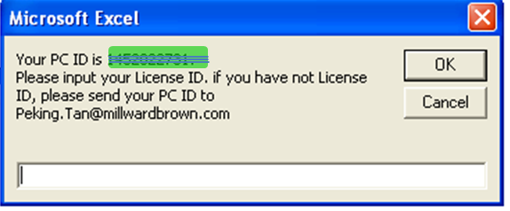

2. Create map

Step1. Select data area, not including lables.
Example of data selection

Step 2. (Optional) Select standardization method

Step 3. (Optional) Select supplimentary points

Step 4. (Optional) Confirm charting Axis dimension. Default is 1 for Axis X &
2 for Axis Y

Step 5. (Optional) Select "Yes" if map needs to be flipped

Step 6. Click "Start" to create correspondence map

Create BiPlot

Calculate Bips values

3. Q&A
if you have any question, please talk to Peking.tan @ greenhouse.
https://www.mbgreenhouse.com/people/tanp

Chart6
BiPlot (87%)
 |  |  |  |  | FUN_Helps_to_quench_thirst |  | FUN_Combines_with_alcoholic_beverages |  | FUN_It_is_light_and_balanced |  | FUN_It_is_refreshing |  | FUN_It_recharges_your_energy |  | FUN_Tastes_good |  | FUN_Has_low_sugar_low_calories_options |  | FUN_Has_a_natural_taste |  | FUN_Has_a_high_quality |  | FUN_Has_a_variety_of_flavors
2.76122 | -1.00011 | 1.3491 | -0.9863 | 2.5102 | -0.90919 | 2.29232 | -1.36857 | 2.24806 | 1.44013 | 2.47694 | -0.99623 | 2.64571 | -0.3577 | 2.66648 | 0.13259 | 2.59685 | -0.61973 | 1.80498 | 1.96718 | 2.64645 | -0.35218 | 0.71805 | 2.5714
2.52156 | -1.50542 | 1.9674 | -1.4212 | 2.7612 | -1.0001 | 2.5216 | -1.5054 | 2.4729 | 1.5841 | 2.7246 | -1.0958 | 2.9103 | -0.3935 | 2.9331 | 0.1459 | 2.8565 | -0.6817 | 1.9855 | 2.1639 | 2.9111 | -0.3874 | 0.7899 | 2.8285
2.47286 | 1.58414 | 0.0959 | 0.4401
2.72464 | -1.09585 | -1.2009 | -0.1411
2.91028 | -0.39347 | -0.8345 | 0.2867
2.93313 | 0.14585 | -1.0152 | 0.0016
2.85654 | -0.68171 | -1.4356 | -0.4383
1.98548 | 2.16389 | -0.7504 | -0.2676
2.91109 | -0.3874 | -0.4835 | -0.5892
0.78986 | 2.82854 | -0.34 | 0.0456
2.90273 | 0.44579 | 0.943 | -1.3497
2.86044 | 0.66517 | -0.5627 | -0.5588
 |  | 0.0798 | -0.9171
 |  | 0.9942 | 1.7351
 |  | 1.376 | 1.8431
 |  | 0.0614 | 1.2839
 |  | -0.244 | 1.0332

